Filtering & Sorting Screenshots
 | PART 5

1

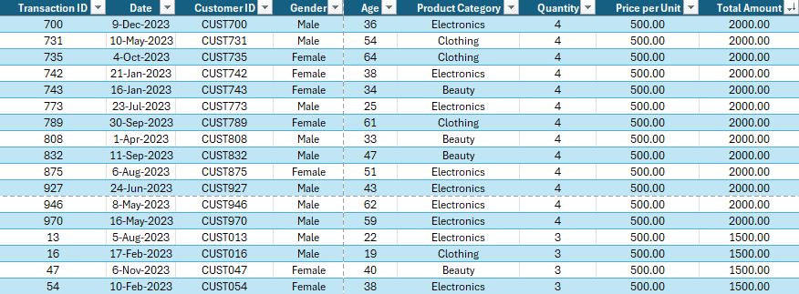
6

5

Charts
PART 7

Total Sales by Product Category
Beauty | 143515
Clothing | 155580
Electronics | 156905
Total Quantity Sold by Product Category
Beauty | 771
Clothing | 894
Electronics | 849

Total Sales by Gender
Male | 223160
Female | 232840

